Thailand Card
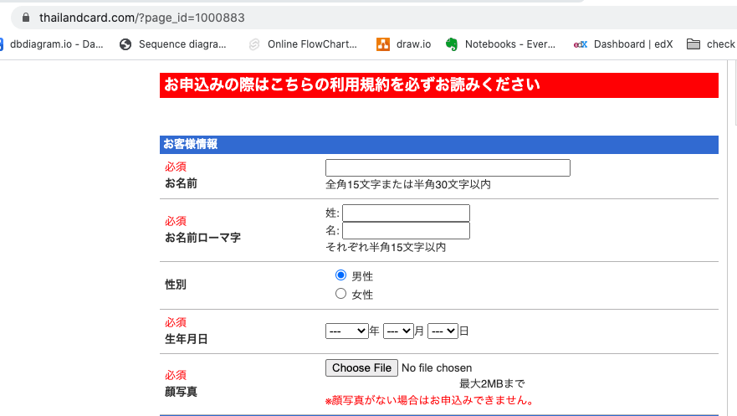
https://ct-api/index.php/AddCardCTAndFamaily/
{ | method: post
"Customer_Information":
{
"name":"text_name",
"surname_romaji":"text_surname",
"name_romnji":"text_name",
"gender":"男性",
"birthday":"2020/07/16"
},
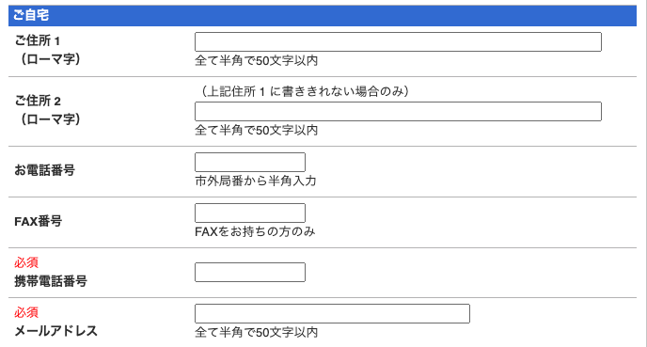
"Home":
{
"address1":"address1",
"address2":"address2",
"phone":"1111111111",
"fax":"text_fax"
"mobile":"2222222222",
"email":"email@gmail.com",
},
"Company":
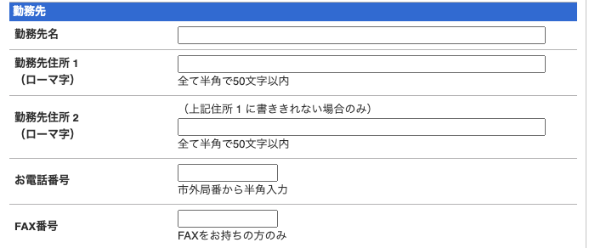
{
"company_name":"company_name",
"company_address1":"company_address1",
"company_address2":"company_address2",
"company_phone":"1111111111",
"company_fax":"2222222222"
},
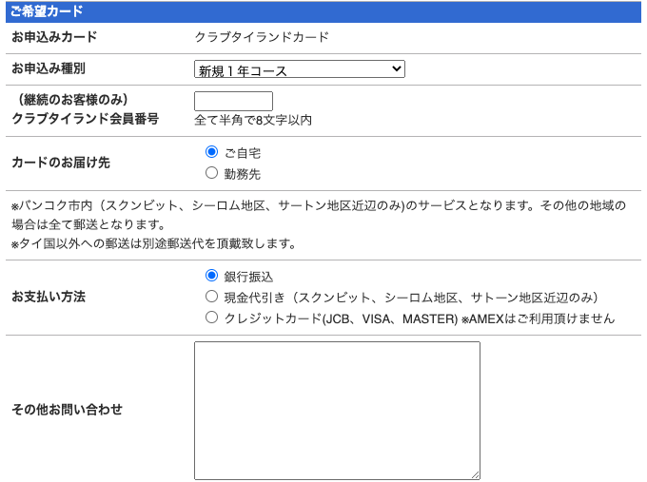
"Card_Type":
{
"register_type":"新規１年コース",
"membership_number":"member_no",
"card_address":"ご自宅",
"payment_method":"銀行振込",
"other_inquiries":"other_inquiries"
},
"Option_For_Aeaon":
{
"request_form":"お申し込み用紙請求する"
},
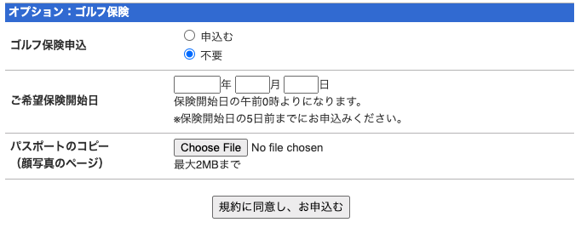
"Golf_Insurance":
{
"golf_insurance_app":"申込む",
"golf_insurance_start_date":"2020/07/16"
}
}

Tourist
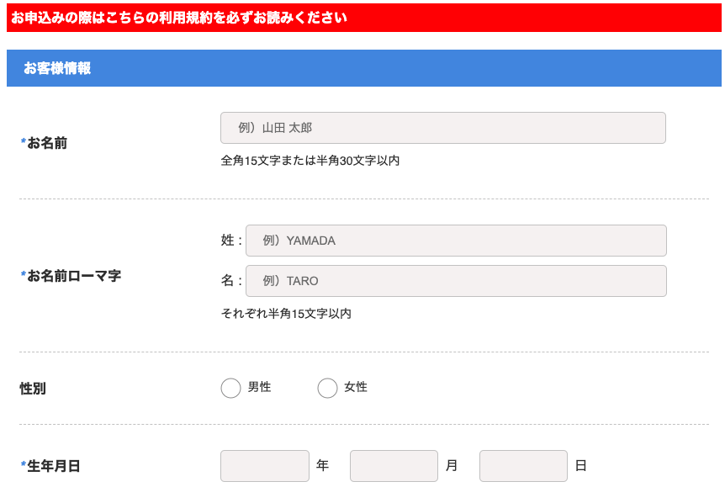
https://ct-api/index.php/AddCardTourist/ | method: post
{
"Customer_Information":
{
"name":"text_name",
"surname_romaji":"text_surname",
"name_romnji":"text_name",
"gender":"男性",
"birthday":"2020/07/16"
}
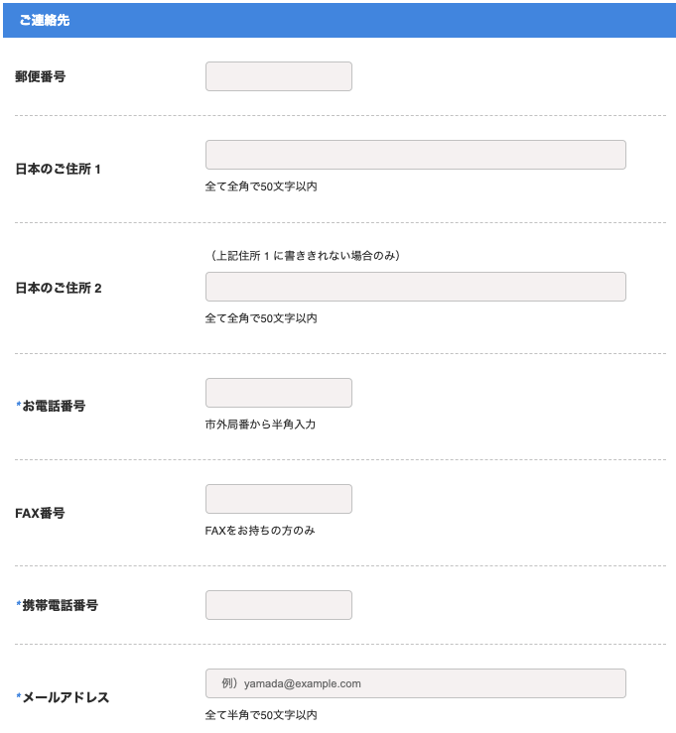
,
"Home": |  | 34,000.00 | 1,200.00
{ |  | 31,620.00 | 1,116.00
"zip":"zip", |  | 2,380.00 | 84.00
"address1":"address1",
"address2":"address2", |  |  | 1,200.00
"phone":"1111111111",
"fax":"1111111111",
"mobile":"1111111111",
"email":"email@gmail.com"
}
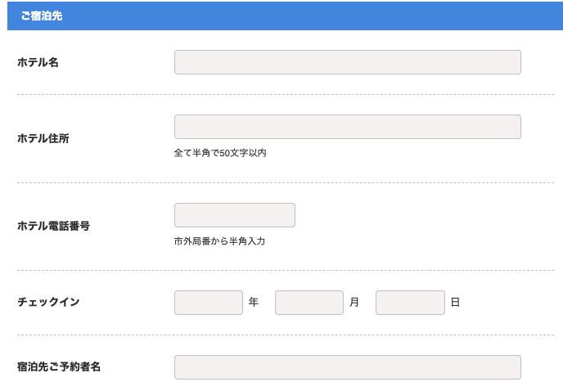
,
"Hotel":
{
"hotel_name":"hotel_name",
"hotel_address":"hotel_address",
"hotel_tel":"1111111111",
"check_in":"2020/07/16",
"hotel_reservation_name":"hotel_reservation_name"
}
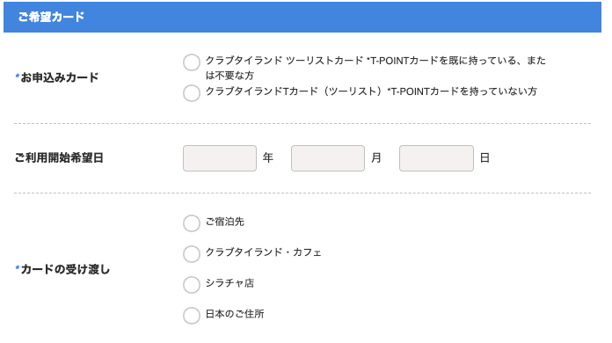
,
"Card_Type":
{
"card_type":"クラブタイランド ツーリストカード *T-POINTカードを既に持っている、または不要な方",
"start_date":"2020/07/16",
"delivery_card":"delivery",
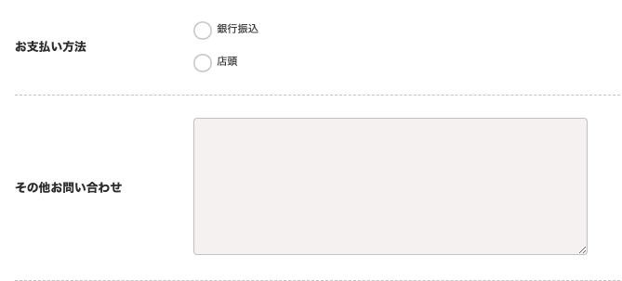
"payment_method":"payment_method",
"other_inquiries":"other_inquiries"
},
"Application":
{
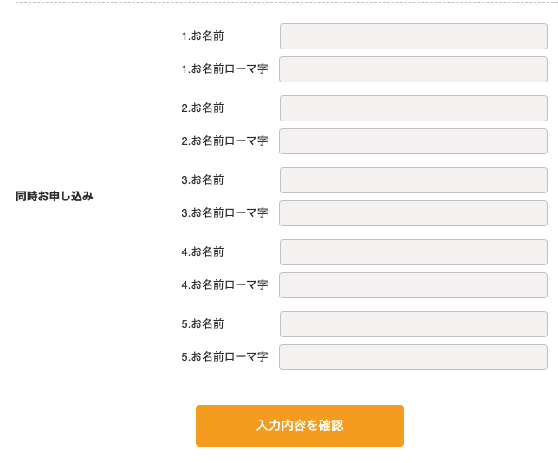
"name_1":"name_1",
"name_romaji_1":"name_romaji_1",
"name_2":"name_2",
"name_romaji_2":"name_romaji_2",
"name_3":"name_3",
"name_romaji_3":"name_romaji_3",
"name_4":"name_4",
"name_romaji_4":"name_romaji_4",
"name_5":"name_5",
"name_romaji_5":"name_romaji_5"
}
}

Long_stay
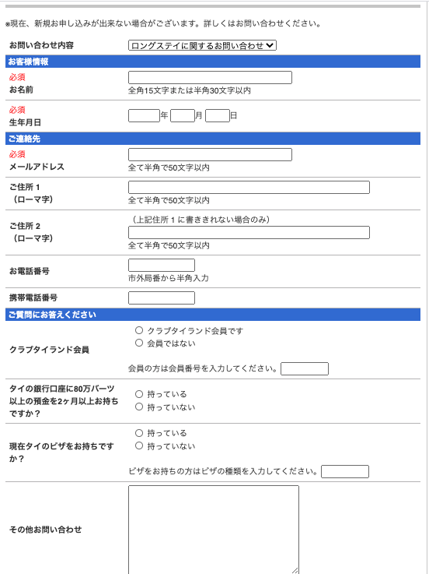
https://ct-api/index.php/AddCardLongStay/ | method: post
{
"Contents_of_inquiry":
{
"type": "ロングステイに関するお問い合わせ"
},
"Customer_Information":
{
"name":"text_name",
"birthday":"2020/07/16"
},
"Home":
{
"email":"email@gmail.com",
"address1":"text_address1",
"address2":"text_address2",
"phone":"092134567",
"mobile":"092134567"
},
"Card_Type":
{
"card_type":"クラブタイランド会員です",
"membership_number":"text_membership_number",
"account_bank_have":"持っている,持っていない",
"vise_have":" 持っている,持っていない",
"vise_type":" 持っている,持っていない",
"other_inquiries":"other_inquiries"
}
}

Golf Course Booking
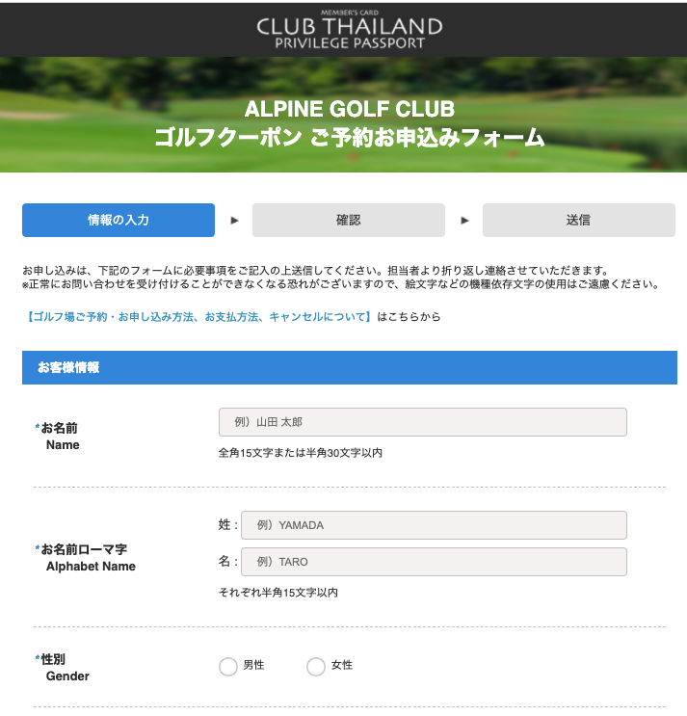
https://ct-api/index.php/AddGolf/ |  | method: post

{
"Golf_Course":
{
 | "golf_course": "Bangsai Country Club"
},
"Customer_Information":
{
"name":"text_name",
"alphabet_surname":"text_surname",
"alphabet_name":"text_name",
"gender":"男性",
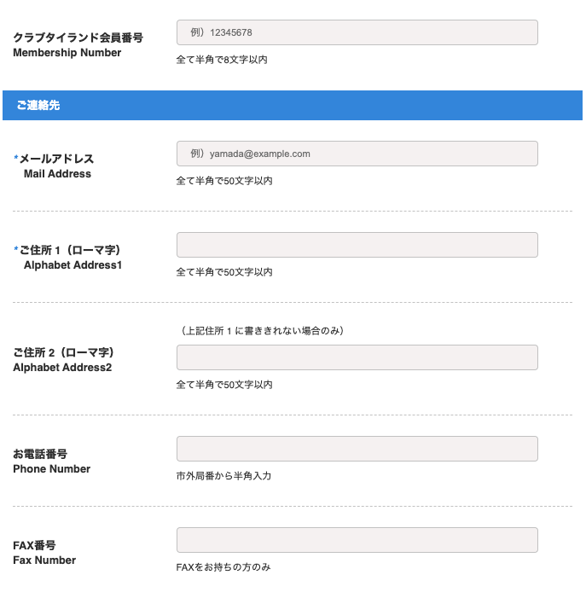
"membership_number":"text_membership_number"
},
"Contact_Informaton":
{
"email":"email@gmail.com",
"alphabet_address1":"alphabet_address1",
"alphabet_address2":"text_address2",
"phone":"1111111111",
"fax":"text_fax",
"mobile":"1111111111"
},
"Golf_Booking":
{
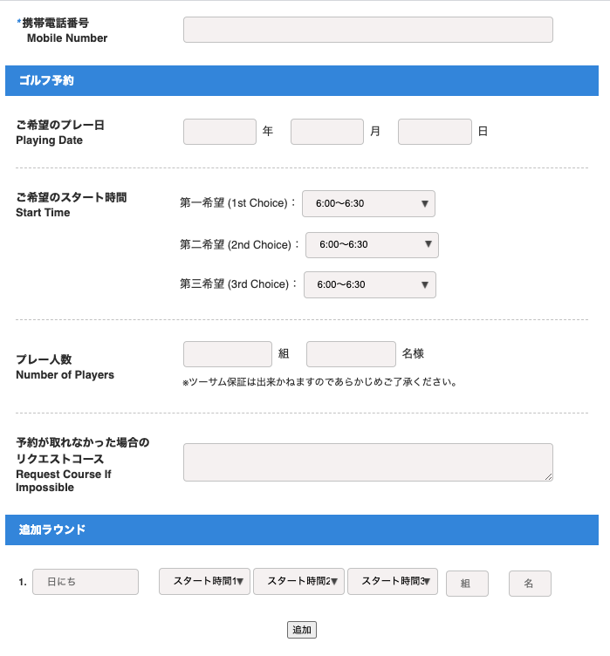
"playing_date":"2020/06/01",
"start_time_1":"6:00～6:30",
"start_time_2":"7:00～7:30",
"start_time_3":"8:00～8:30",
"number_of_player_group":"6",
"number_of_player_pax":"6",
"request_course_if_impossible":"text_request_course_if_impossible"
},
"Additional_Round":
[
{
"additional_round_date":"2020/06/01", "time_1":"7:00〜7:30",
"time_2":"8:00〜8:30","time_3":"9:00〜9:30","group":"2","pax":"2"
},
{
"additional_round_date":"2020/06/01", "time_1":"7:00〜7:30",
"time_2":"8:00〜8:30","time_3":"9:00〜9:30","group":"2","pax":"2"
}
],
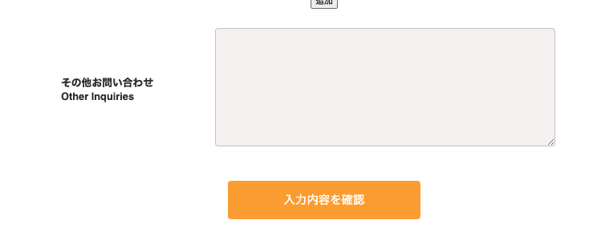
"Other":
{
"other_inquires":"text_other_inquires"
}

}

